Hybrid Apparel
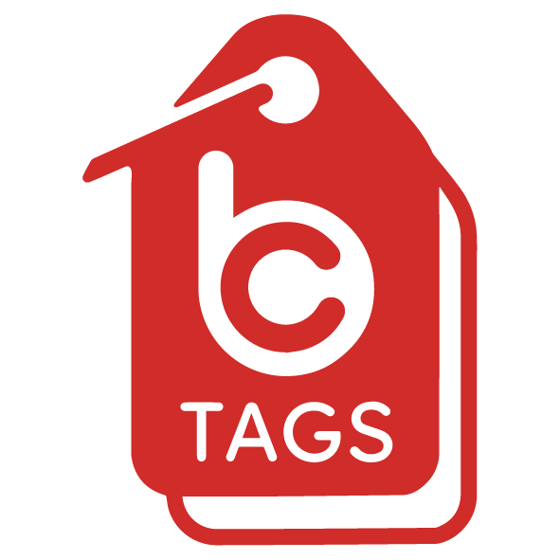
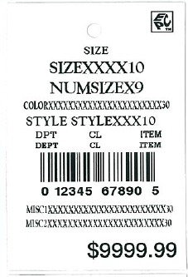
HYBRID APPAREL TARGET RFID HANGTAGS
1.5” x 2.25” with AD-320

SIZE ALPH | STYLE | DEPT | CLASS |  | UPC# * | RETAIL | TICKET OR
 |  |  |  | ITEM |  |  | TAG
(10) | (10) | (3) | (2) | (4) | (12) | (8) | QUANTITY
SMALL | 2ANB415 | 045 | 04 | 4211 | 195994989483 | $12.99 | 0 | TRIM NEEDED: TARGET MENS SIZE STRIPS | S | M | L | XL | XXL | TOTAL
MEDIUM | 2ANB415 | 045 | 04 | 4212 | 195994989452 | $12.99 | 0 |  | 0 | 0 | 0 | 0 | 0 | 0
LARGE | 2ANB415 | 045 | 04 | 4213 | 195994989537 | $12.99 | 0
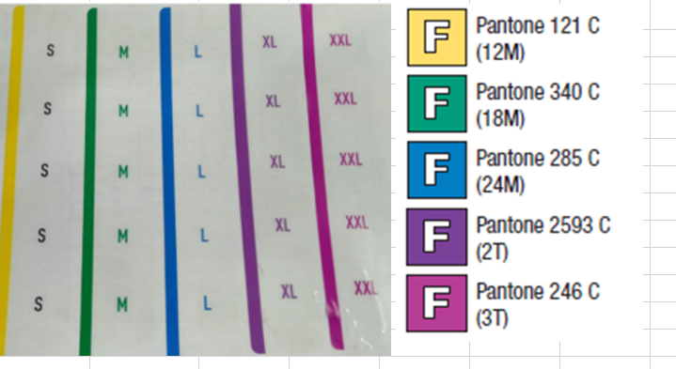
X LARGE | 2ANB415 | 045 | 04 | 4214 | 195994989544 | $12.99 | 0
XX LARGE | 2ANB415 | 045 | 04 | 4215 | 195994989513 | $12.99 | 0
SMALL | 2DNY5770 | 045 | 04 | 1877 | 191906992459 | $12.99 | 0
MEDIUM | 2DNY5770 | 045 | 04 | 1878 | 191906992466 | $12.99 | 0
LARGE | 2DNY5770 | 045 | 04 | 1879 | 191906992473 | $12.99 | 0
X LARGE | 2DNY5770 | 045 | 04 | 1880 | 191906992480 | $12.99 | 0
XX LARGE | 2DNY5770 | 045 | 04 | 1881 | 191906992497 | $12.99 | 0
SMALL | 2ACDC292 | 045 | 04 | 2080 | 191905395121 | $12.99 | 0
MEDIUM | 2ACDC292 | 045 | 04 | 2081 | 191905395169 | $12.99 | 0
LARGE | 2ACDC292 | 045 | 04 | 2082 | 191905395244 | $12.99 | 0
X LARGE | 2ACDC292 | 045 | 04 | 2083 | 191905395138 | $12.99 | 0
XX LARGE | 2ACDC292 | 045 | 04 | 2084 | 191905395213 | $12.99 | 0
SMALL | 2DNY7320 | 045 | 04 | 5102 | 196365798369 | $12.99 | 0
MEDIUM | 2DNY7320 | 045 | 04 | 5103 | 196365798383 | $12.99 | 0
LARGE | 2DNY7320 | 045 | 04 | 5104 | 196365798352 | $12.99 | 0
X LARGE | 2DNY7320 | 045 | 04 | 5105 | 196365798321 | $12.99 | 0
XX LARGE | 2DNY7320 | 045 | 04 | 5106 | 196365798253 | $12.99 | 0
SMALL | 2SLM0347 | 045 | 04 | 3532 | 195994289118 | $12.99 | 0
MEDIUM | 2SLM0347 | 045 | 04 | 3533 | 195994289156 | $12.99 | 0
LARGE | 2SLM0347 | 045 | 04 | 3534 | 195994289101 | $12.99 | 0
X LARGE | 2SLM0347 | 045 | 04 | 3535 | 195994289125 | $12.99 | 0
XX LARGE | 2SLM0347 | 045 | 04 | 3536 | 195994289088 | $12.99 | 0
*Remarks: |  |  |  |  |  | TOTAL (in pcs): | 0

